Dashboard


NEW YEAR RESOLUTION TWEETS IN UNITED STATE OF AMERICAN IN YEAR 2015

Tweets Resolution Category by numbers of retweets
 | Total
Finance | 5115
Personal Growth | 3785
Humor | 2273
Family/Friends/Relationships | 2172
Health & Fitness | 494
Recreation & Leisure | 357
Time Management/Organization | 72
Career | 66
Philanthropic | 61
Education/Training | 55
 | Total
female | 2367
male | 2356
Top Five state with highest number of tweets
 | Total
llinois | 189
Florida | 248
Texas | 376
New York | 509
California | 701

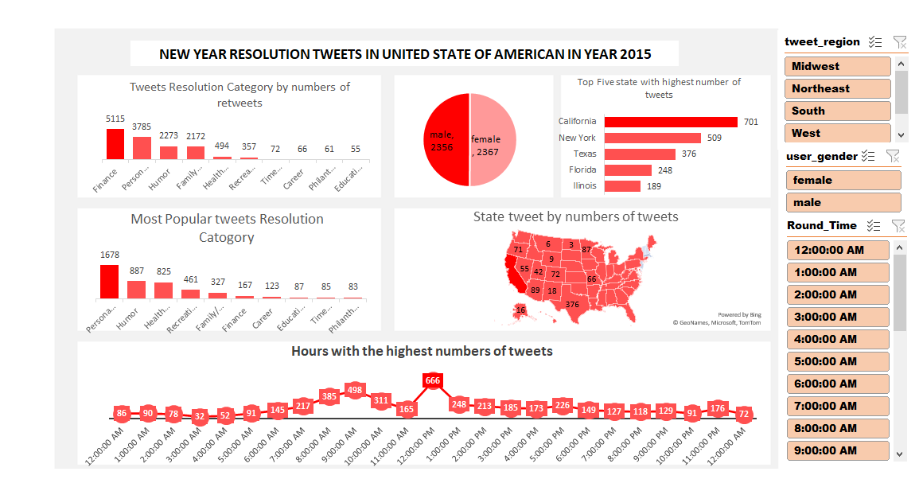
Most Popular tweets Resolution Catogory
 | Total
Personal Growth | 1678
Humor | 887
Health & Fitness | 825
Recreation & Leisure | 461
Family/Friends/Relationships | 327
Finance | 167
Career | 123
Education/Training | 87
Time Management/Organization | 85
Philanthropic | 83

Hours with the highest numbers of tweets
 | Total
12:00:00 AM | 86
1:00:00 AM | 90
2:00:00 AM | 78
3:00:00 AM | 32
4:00:00 AM | 52
5:00:00 AM | 91
6:00:00 AM | 145
7:00:00 AM | 217
8:00:00 AM | 385
9:00:00 AM | 498
10:00:00 AM | 311
11:00:00 AM | 165
12:00:00 PM | 666
1:00:00 PM | 248
2:00:00 PM | 213
3:00:00 PM | 185
4:00:00 PM | 173
5:00:00 PM | 226
6:00:00 PM | 149
7:00:00 PM | 127
8:00:00 PM | 118
9:00:00 PM | 129
10:00:00 PM | 91
11:00:00 PM | 176
12:00:00 AM | 72

